References
 | Eora-ISIC Concordance Table

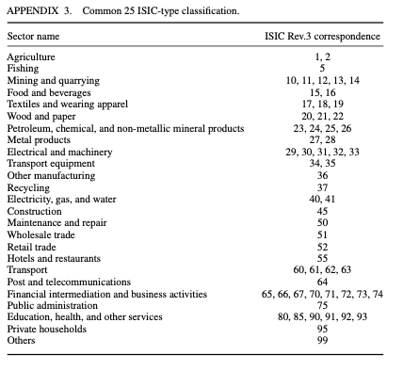

(Manfred Lenzen , Daniel Moran , Keiichiro Kanemoto & Arne Geschke (2013) )
http://dx.doi.org/10.1080/09535314.2013.769938

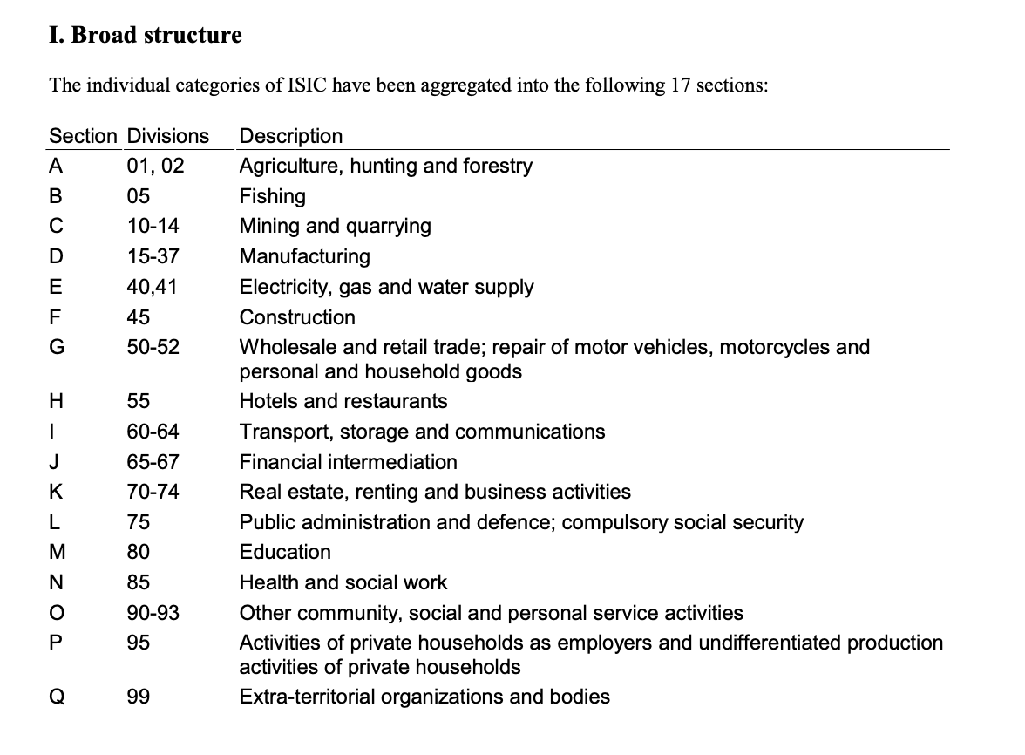

(Letter sector classification for Rev 3)
https://unstats.un.org/unsd/statcom/doc02/isic.pdf

